Graphs
 | AXLE LOAD DATA ANALYSIS (GULU-NIMULE HIGHWAY)
Load Description (Gulu-Nimule Highway)
Truck Composition for Gulu-Nimule Highway
Vehicle Categories |  |  |  |  |  | Load Description
 | Truck Type | Gulu-Nimule | Nimule-Gulu | Both Directions |  | Category | Gulu-Nimule | Nimule-Gulu
7 | Light/Medium Trucks | 13 | 10 | 23 |  | Agricultural produce | 33.7% | 0.0%
9 | Heavy Trucks | 4 | 2 | 6 |  | Perishable | 0.0% | 0.0%
10 | Truck/Trailer | 66 | 19 | 85 |  | Construction Material | 16.9% | 0.0%
 | Totals | 83 | 31 | 114 |  | Metal/machinery | 0.0% | 0.0%
 |  |  |  |  |  | Forestry products | 0.0% | 0.0%
 |  |  |  |  |  | Fuels | 7.2% | 0.0%
 |  |  |  |  |  | Chemical Products | 2.4% | 0.0%
 |  |  |  |  |  | Livestock | 0.0% | 3.2%
 |  |  |  |  |  | Household retail products | 25.3% | 3.2%
 |  |  |  |  |  | Empty | 2.4% | 83.9%
 |  |  |  |  |  | Others | 12.0% | 9.7%
 |  |  |  |  |  | Total | 83 | 31

Average Truck Loading (Gulu-Nimule Higwhay)
Average Total Loading (Tonnes)
 | Truck Type | Gulu-Nimule | Nimule-Gulu | Both Directions | Limit
7 | Light/Medium Trucks | 14.1 | 10.8 | 12.5 | 18
9 | Heavy Trucks | 22.9 | 10.9 | 16.9 | 27
10 | Truck/Trailer | 37.0 | 21.3 | 29.2 | 54
 | Totals

 |  |  |  |  |  | Proportion of Overloaded Trucks
 |  |  |  |  |  |  | Truck Type | Gulu-Nimule | Nimule-Gulu | Both Directions
 |  |  |  |  |  |  | 0-4.9% | 62.7% | 93.5% | 78.1%
 |  |  |  |  |  |  | 5-25% | 20.5% | 3.2% | 11.9%
 |  |  |  |  |  |  | 25-50% | 13.3% | 3.2% | 8.2%
 |  |  |  |  |  |  | Over 50% | 3.6% | 0.0% | 1.8%
Percentage By Which Vehicles Are Overloaded (Gulu-Nimule)
 |  |  |  |  |  |  |  | 83 | 31

Average Proportion of Overloaded Trucks (Gulu-Nimule)
Proportion of Overloaded Trucks
 | Truck Type | Gulu-Nimule | Nimule-Gulu | Both Directions
7 | Light/Medium Trucks | 30.8% | 10.0% | 20.4%
9 | Heavy Trucks | 75.0% | 0.0% | 37.5%
10 | Truck/Trailer | 48.5% | 5.3% | 26.9%
 | Overall | 47.0% | 6.5%

KEY
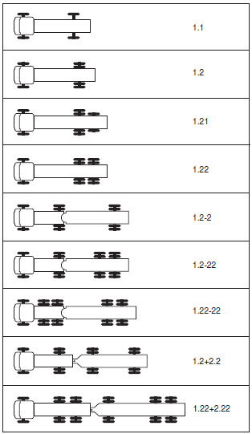
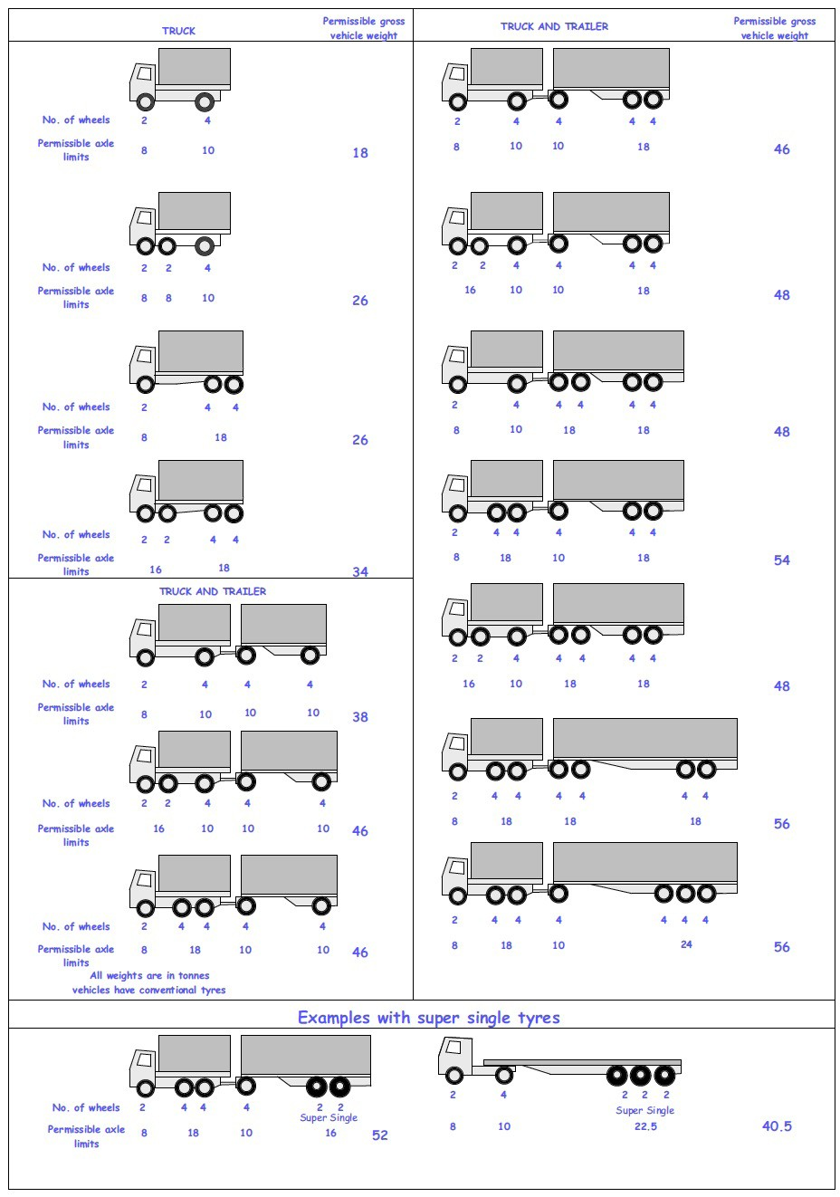
 |  |  |  |  | Axle Configuration
TRUCK TYPES |  |  |  |  | 2-Axles | 2-Axles | 3-Axle | 4-Axle | 5-Axle | 6-Axle | 7-Axle

7 | LIGHT SINGLE UNIT TRUCK-DYNAS AND TRACTORS(2 axles) |  |  |  | 1.1 | 1.2
8 | LIGHT/MEDIUM SINGLE UNIT TRUCKS (3 axles) |  |  |  |  |  | 1.22
9 | MEDIUM - SINGLE UNIT TRUCKS-LORRIES, FUSOS (4 axles) |  |  |  |  |  |  | 1.1-22
 |  |  |  |  |  |  |  | 1.222

10 | HEAVY TRUCK RIGID (5 axles) |  |  |  |  |  |  |  | 1.1-222
 |  |  |  |  |  |  |  |  | 1.2-222
 |  |  |  |  |  |  |  |  | 1.22-22
11 | TRUCK TRAILER AND SEMI TRAILER (6 axles) |  |  |  |  |  |  |  |  | 1.12-222
 |  |  |  |  |  |  |  |  |  | 1.22-222
 |  |  |  |  |  |  |  |  |  | 1.22+1-22
 |  |  |  |  |  |  |  |  |  | 1.22+2-22
 |  |  |  |  |  |  |  |  |  | 1.21-222
 |  |  |  |  |  |  |  |  |  | 1.22-111
12 | TRUCK TRAILER TYPE 2 (7 axles) |  |  |  |  |  |  |  |  |  | 1.11+11-11
 |  |  |  |  |  |  |  |  |  |  | 1.22+22-22
 |  |  |  |  |  |  |  |  |  |  | 1.12+11-22

 | 7. Light Truck
 | 8. Medium Truck
 | 9. Heavy truck
 | 10. Truck Trailer

 | 1*1 | Light Truck | 7 | 18
 | 1*2 | Light Truck | 7 | 18
 | 1*21 | Medium Truck | 8 | 26
 | 1*22 | Heavy Truck | 9 | 26
 | 1*2*2 | Truck Trailer | 10 | 46
 | 1*2*22 | Truck Trailer | 10 | 46
 | 1*22-22 | Truck Trailer | 10 | 46
 | 1*2*2*2 | Truck Trailer | 10 | 46
 | 1*22*2*22 | Truck Trailer | 10 | 46
 | 11*22 | Heavy Truck | 9 | 34

